Sheet1
Src: Source: “Op Amps for Everyone Design Guide” by Ron Mancini pg. 314
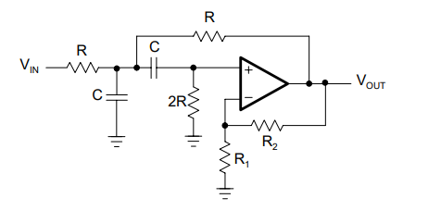
Pick the following:
fm : | 10000 | hz | mid frequency
R: | 100 | k ohms
R2: | 10 | k ohms
Gain (G) | 2.8 | dB

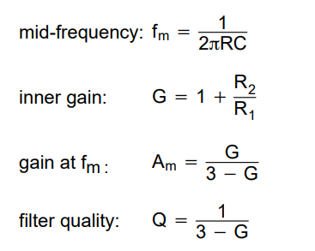
Result:
C == | 1.59E-10 | F
R1 == | 5555.56 | ohms
Am == | 14
Q == | 5

mid freq peek will occur at : |  |  | 22.922560714 | dB

